Sheet1
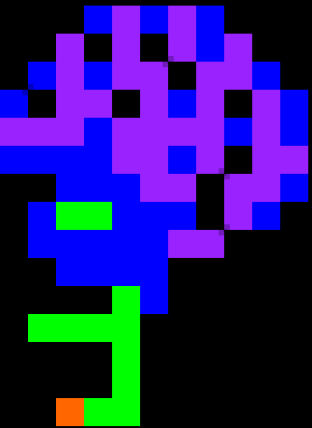
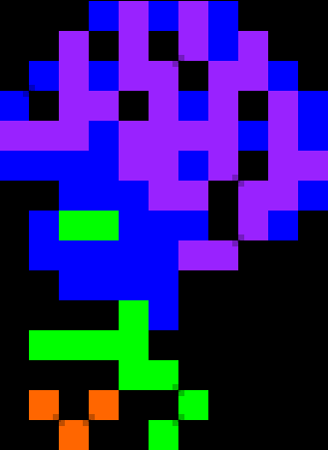
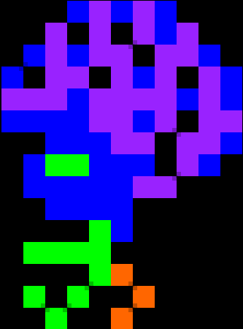
 | 0 | 1 | 2 | 3 | 4 | 5 | 6 | 7 | 8 | 9 | 10 | 11 | 12 |  |  |  |  | 0 | 1 | 2 | 3 | 4 | 5 | 6 | 7 | 8 | 9 | 10 | 11 | 12 |  |  |  | 0 | 1 | 2 | 3 | 4 | 5 | 6 | 7 | 8 | 9 | 10 | 11 | 12
0 | x | x | x | x | B | V | B | V | B | x | x | x | x |  |  |  | 0 | x | x | x | x | B | V | B | V | B | x | x | x | x |  |  | 0 | x | x | x | x | B | V | B | V | B | x | x | x | x |  |  | x | Black
1 | x | x | x | V | x | V | x | V | B | V | x | x | x |  |  |  | 1 | x | x | x | V | x | V | x | V | B | V | x | x | x |  |  | 1 | x | x | x | V | x | V | x | V | B | V | x | x | x |  |  | B | Blue
2 | x | x | B | V | B | V | V | x | V | V | B | x | x |  |  |  | 2 | x | x | B | V | B | V | V | x | V | V | B | x | x |  |  | 2 | x | x | B | V | B | V | V | x | V | V | B | x | x |  |  | O | Orange
3 | x | B | x | V | V | x | V | B | V | x | V | B | x |  |  |  | 3 | x | B | x | V | V | x | V | B | V | x | V | B | x |  |  | 3 | x | B | x | V | V | x | V | B | V | x | V | B | x |  |  | W | White
4 | x | V | V | V | B | V | V | V | V | B | V | B | x |  |  |  | 4 | x | V | V | V | B | V | V | V | V | B | V | B | x |  |  | 4 | x | V | V | V | B | V | V | V | V | B | V | B | x |  |  | P | Pink
5 | x | B | B | B | B | V | V | B | V | x | V | V | x |  |  |  | 5 | x | B | B | B | B | V | V | B | V | x | V | V | x |  |  | 5 | x | B | B | B | B | V | V | B | V | x | V | V | x |  |  | R | Red
6 | x | x | x | B | B | B | V | V | x | V | V | B | x |  |  |  | 6 | x | x | x | B | B | B | V | V | x | V | V | B | x |  |  | 6 | x | x | x | B | B | B | V | V | x | V | V | B | x |  |  | g | Grey
7 | x | x | B | G | G | B | B | B | x | V | B | x | x |  |  |  | 7 | x | x | B | G | G | B | B | B | x | V | B | x | x |  |  | 7 | x | x | B | G | G | B | B | B | x | V | B | x | x |  |  | Y | Yellow
8 | x | x | B | B | B | B | B | V | V | x | x | x | x |  |  |  | 8 | x | x | B | B | B | B | B | V | V | x | x | x | x |  |  | 8 | x | x | B | B | B | B | B | V | V | x | x | x | x |  |  | V | Violet (Purple)
9 | x | x | x | B | B | B | B | x | x | x | x | x | x |  |  |  | 9 | x | x | x | B | B | B | B | x | x | x | x | x | x |  |  | 9 | x | x | x | B | B | B | B | x | x | x | x | x | x |  |  | G | Green
10 | x | x | x | x | x | G | x | x | x | x | x | x | x |  |  |  | 10 | x | x | x | x | x | G | B | x | x | x | x | x | x |  |  | 10 | x | x | x | x | x | G | B | x | x | x | x | x | x
11 | x | x | G | G | G | G | x | x | x | x | x | x | x |  |  |  | 11 | x | x | G | G | G | G | x | x | x | x | x | x | x |  |  | 11 | x | x | G | G | G | G | x | x | x | x | x | x | x
12 | x | x | x | x | x | G | x | x | x | x | x | x | x |  |  |  | 12 | x | x | x | x | x | G | G | x | x | x | x | x | x |  |  | 12 | x | x | x | x | x | G | O | x | x | x | x | x | x
13 | x | x | x | x | x | G | x | x | x | x | x | x | x |  |  |  | 13 | x | x | O | x | O | x | x | G | x | x | x | x | x |  |  | 13 | x | x | G | x | G | x | x | O | x | x | x | x | x
14 | x | x | x | O | G | G | x | x | x | x | x | x | x |  |  |  | 14 | x | x | x | O | x | x | G | x | x | x | x | x | x |  |  | 14 | x | x | x | G | x | x | O | x | x | x | x | x | x
15 | x | x | x | x | x | x | x | x | x | x | x | x | x |  | brain1 |  | 15 | x | x | x | x | x | x | x | x | x | x | x | x | x |  | brain2 | 15 | x | x | x | x | x | x | x | x | x | x | x | x | x | brain3

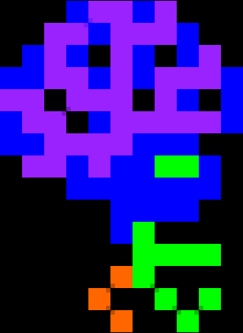
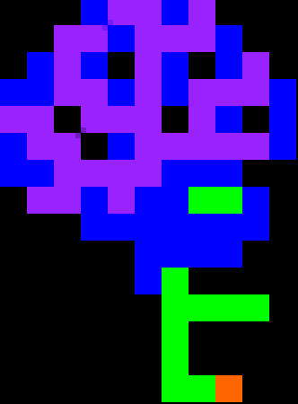
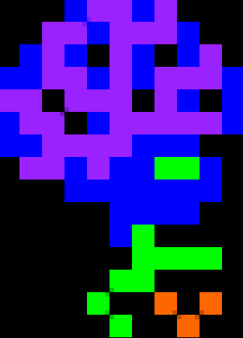
 | 0 | 1 | 2 | 3 | 4 | 5 | 6 | 7 | 8 | 9 | 10 | 11 | 12 |  |  |  |  | 0 | 1 | 2 | 3 | 4 | 5 | 6 | 7 | 8 | 9 | 10 | 11 | 12 |  |  |  | 0 | 1 | 2 | 3 | 4 | 5 | 6 | 7 | 8 | 9 | 10 | 11 | 12
0 | x | x | x | x | B | V | V | B | V | x | x | x | x |  |  |  | 0 | x | x | x | x | B | V | V | B | V | x | x | x | x |  |  | 0 | x | x | x | x | B | V | V | B | V | x | x | x | x
1 | x | x | x | V | V | B | V | V | V | B | x | x | x |  |  |  | 1 | x | x | x | V | V | B | V | V | V | B | x | x | x |  |  | 1 | x | x | x | V | V | B | V | V | V | B | x | x | x
2 | x | x | B | V | B | x | V | B | x | B | V | x | x |  |  |  | 2 | x | x | B | V | B | x | V | B | x | B | V | x | x |  |  | 2 | x | x | B | V | B | x | V | B | x | B | V | x | x
3 | x | B | B | V | V | B | V | B | V | V | V | B | x |  |  |  | 3 | x | B | B | V | V | B | V | B | V | V | V | B | x |  |  | 3 | x | B | B | V | V | B | V | B | V | V | V | B | x
4 | x | V | V | x | V | V | V | x | V | B | x | B | x |  |  |  | 4 | x | V | V | x | V | V | V | x | V | B | x | B | x |  |  | 4 | x | V | V | x | V | V | V | x | V | B | x | B | x
5 | x | B | V | V | x | B | V | V | V | V | V | B | x |  |  |  | 5 | x | B | V | V | x | B | V | V | V | V | V | B | x |  |  | 5 | x | B | V | V | x | B | V | V | V | V | V | B | x
6 | x | B | B | V | V | V | V | B | B | B | x | x | x |  |  |  | 6 | x | B | B | V | V | V | V | B | B | B | x | x | x |  |  | 6 | x | B | B | V | V | V | V | B | B | B | x | x | x
7 | x | x | V | V | B | V | B | B | G | G | B | x | x |  |  |  | 7 | x | x | V | V | B | V | B | B | G | G | B | x | x |  |  | 7 | x | x | V | V | B | V | B | B | G | G | B | x | x
8 | x | x | x | x | B | B | B | B | B | B | B | x | x |  |  | x | 8 | x | x | x | x | B | B | B | B | B | B | B | x | x |  |  | 8 | x | x | x | x | B | B | B | B | B | B | B | x | x
9 | x | x | x | x | x | x | B | B | B | B | x | x | x |  |  | B | 9 | x | x | x | x | x | x | B | B | B | B | x | x | x |  |  | 9 | x | x | x | x | x | x | B | B | B | B | x | x | x
10 | x | x | x | x | x | x | B | G | x | x | x | x | x |  |  | O | 10 | x | x | x | x | x | x | B | G | x | x | x | x | x |  |  | 10 | x | x | x | x | x | x | B | G | x | x | x | x | x
11 | x | x | x | x | x | x | x | G | G | G | G | x | x |  |  | W | 11 | x | x | x | x | x | x | x | G | G | G | G | x | x |  |  | 11 | x | x | x | x | x | x | x | G | G | G | G | x | x
12 | x | x | x | x | x | x | x | G | x | x | x | x | x |  |  | P | 12 | x | x | x | x | x | x | G | G | x | x | x | x | x |  |  | 12 | x | x | x | x | x | x | O | G | x | x | x | x | x
13 | x | x | x | x | x | x | x | G | x | x | x | x | x |  |  | R | 13 | x | x | x | x | x | G | x | x | O | x | O | x | x |  |  | 13 | x | x | x | x | x | O | x | x | G | x | G | x | x
14 | x | x | x | x | x | x | x | G | G | O | x | x | x |  |  | G | 14 | x | x | x | x | x | x | G | x | x | O | x | x | x |  |  | 14 | x | x | x | x | x | x | O | x | x | G | x | x | x
15 | x | x | x | x | x | x | x | x | x | x | x | x | x |  |  | Y | 15 | x | x | x | x | x | x | x | x | x | x | x | x | x |  |  | 15 | x | x | x | x | x | x | x | x | x | x | x | x | x
 |  |  |  |  |  |  |  |  |  |  |  |  |  | brain4 |  | V |  |  |  |  |  |  |  |  |  |  |  |  |  |  |  | brain5 |  |  |  |  |  |  |  |  |  |  |  |  |  |  | brain6
 |  |  |  |  |  |  |  |  |  |  |  |  |  |  |  | G
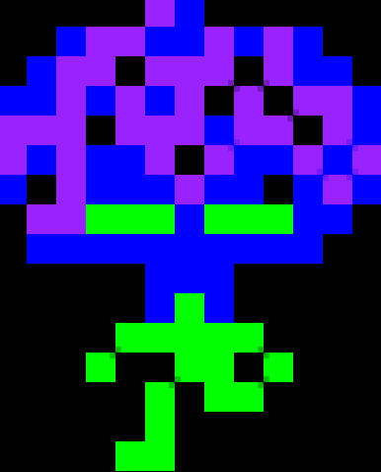
 | 0 | 1 | 2 | 3 | 4 | 5 | 6 | 7 | 8 | 9 | 10 | 11 | 12 |  |  |  |  | 0 | 1 | 2 | 3 | 4 | 5 | 6 | 7 | 8 | 9 | 10 | 11 | 12 |  |  |  | 0 | 1 | 2 | 3 | 4 | 5 | 6 | 7 | 8 | 9 | 10 | 11 | 12
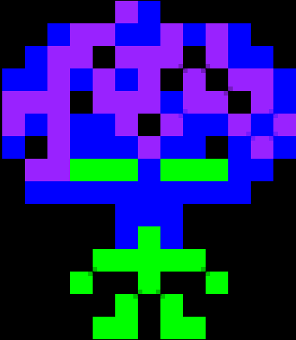
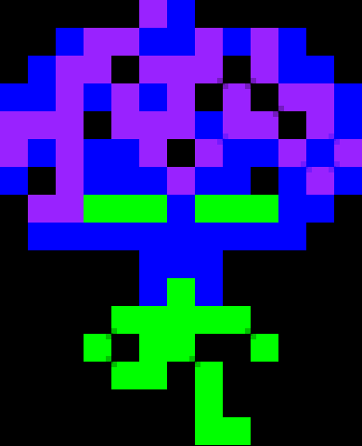
0 | x | x | x | x | x | V | B | x | x | x | x | x | x |  |  |  | 0 | x | x | x | x | x | V | B | x | x | x | x | x | x |  |  | 0 | x | x | x | x | x | V | B | x | x | x | x | x | x
1 | x | x | B | V | V | B | B | V | B | V | B | x | x |  |  |  | 1 | x | x | B | V | V | B | B | V | B | V | B | x | x |  |  | 1 | x | x | B | V | V | B | B | V | B | V | B | x | x
2 | x | B | V | V | x | V | V | V | x | x | B | B | x |  |  |  | 2 | x | B | V | V | x | V | V | V | x | x | B | B | x |  |  | 2 | x | B | V | V | x | V | V | V | x | x | B | B | x
3 | B | B | V | B | V | B | V | x | V | x | V | V | B |  |  |  | 3 | B | B | V | B | V | B | V | x | V | x | V | V | B |  |  | 3 | B | B | V | B | V | B | V | x | V | x | V | V | B
4 | V | V | V | x | V | V | V | B | V | V | x | V | B |  |  |  | 4 | V | V | V | x | V | V | V | B | V | V | x | V | B |  |  | 4 | V | V | V | x | V | V | V | B | V | V | x | V | B
5 | V | B | V | B | B | V | x | V | B | B | V | B | V |  |  |  | 5 | V | B | V | B | B | V | x | V | B | B | V | B | V |  |  | 5 | V | B | V | B | B | V | x | V | B | B | V | B | V
6 | B | x | V | B | B | B | V | B | B | x | B | V | B |  |  |  | 6 | B | x | V | B | B | B | V | B | B | x | B | V | B |  |  | 6 | B | x | V | B | B | B | V | B | B | x | B | V | B
7 | x | V | V | G | G | G | B | G | G | G | B | B | x |  |  |  | 7 | x | V | V | G | G | G | B | G | G | G | B | B | x |  |  | 7 | x | V | V | G | G | G | B | G | G | G | B | B | x
8 | x | B | B | B | B | B | B | B | B | B | B | x | x |  |  |  | 8 | x | B | B | B | B | B | B | B | B | B | B | x | x |  |  | 8 | x | B | B | B | B | B | B | B | B | B | B | x | x
9 | x | x | x | x | x | B | B | B | x | x | x | x | x |  |  |  | 9 | x | x | x | x | x | B | B | B | x | x | x | x | x |  |  | 9 | x | x | x | x | x | B | B | B | x | x | x | x | x
10 | x | x | x | x | x | B | G | B | x | x | x | x | x |  |  |  | 10 | x | x | x | x | x | B | G | B | x | x | x | x | x |  |  | 10 | x | x | x | x | x | B | G | B | x | x | x | x | x
11 | x | x | x | x | G | G | G | G | G | x | x | x | x |  |  |  | 11 | x | x | x | x | G | G | G | G | G | x | x | x | x |  |  | 11 | x | x | x | x | G | G | G | G | G | x | x | x | x
12 | x | x | x | G | x | x | G | x | x | G | x | x | x |  |  |  | 12 | x | x | x | G | x | x | G | G | x | G | x | x | x |  |  | 12 | x | x | x | G | x | G | G | G | x | G | x | x | x
13 | x | x | x | x | x | G | x | G | x | x | x | x | x |  |  |  | 13 | x | x | x | x | x | G | x | G | G | x | x | x | x |  |  | 13 | x | x | x | x | G | G | x | G | x | x | x | x | x
14 | x | x | x | x | G | G | x | G | G | x | x | x | x |  |  |  | 14 | x | x | x | x | x | G | x | x | x | x | x | x | x |  |  | 14 | x | x | x | x | x | x | x | G | x | x | x | x | x
15 | x | x | x | x | x | x | x | x | x | x | x | x | x |  |  |  | 15 | x | x | x | x | G | G | x | x | x | x | x | x | x |  |  | 15 | x | x | x | x | x | x | x | G | G | x | x | x | x
 |  |  |  |  |  |  |  |  |  |  |  |  |  |  | brain7 |  |  |  |  |  |  |  |  |  |  |  |  |  |  |  | brain8 |  |  |  |  |  |  |  |  |  |  |  |  |  |  |  | brain9

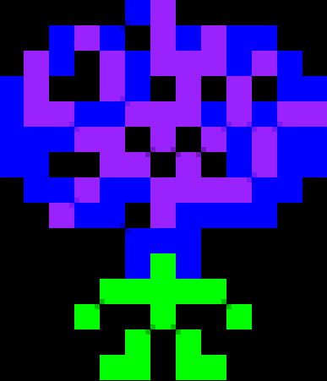
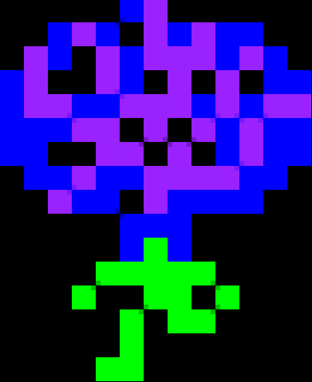
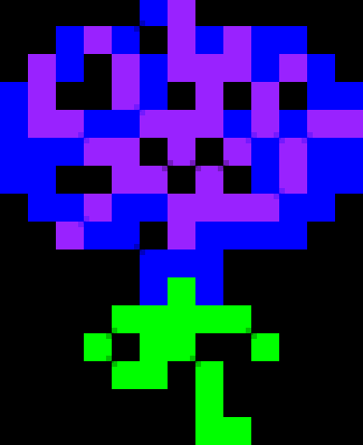
 | 0 | 1 | 2 | 3 | 4 | 5 | 6 | 7 | 8 | 9 | 10 | 11 | 12 |  |  |  |  | 0 | 1 | 2 | 3 | 4 | 5 | 6 | 7 | 8 | 9 | 10 | 11 | 12 |  |  |  | 0 | 1 | 2 | 3 | 4 | 5 | 6 | 7 | 8 | 9 | 10 | 11 | 12
0 | x | x | x | x | x | B | V | x | x | x | x | x | x |  |  |  | 0 | x | x | x | x | x | B | V | x | x | x | x | x | x |  |  | 0 | x | x | x | x | x | B | V | x | x | x | x | x | x
1 | x | x | B | V | B | x | V | B | V | B | B | x | x |  |  |  | 1 | x | x | B | V | B | x | V | B | V | B | B | x | x |  |  | 1 | x | x | B | V | B | x | V | B | V | B | B | x | x
2 | x | V | B | x | V | B | V | V | V | B | V | B | x |  |  |  | 2 | x | V | B | x | V | B | V | V | V | B | V | B | x |  |  | 2 | x | V | B | x | V | B | V | V | V | B | V | B | x
3 | B | V | x | x | V | B | x | V | x | V | x | B | B |  |  |  | 3 | B | V | x | x | V | B | x | V | x | V | x | B | B |  |  | 3 | B | V | x | x | V | B | x | V | x | V | x | B | B
4 | B | V | V | B | B | V | V | V | B | V | B | V | V |  |  |  | 4 | B | V | V | B | B | V | V | V | B | V | B | V | V |  |  | 4 | B | V | V | B | B | V | V | V | B | V | B | V | V
5 | B | B | B | V | V | x | V | x | V | B | V | B | B |  |  |  | 5 | B | B | B | V | V | x | V | x | V | B | V | B | B |  |  | 5 | B | B | B | V | V | x | V | x | V | B | V | B | B
6 | B | B | x | x | V | V | x | V | x | B | V | B | B |  |  |  | 6 | B | B | x | x | V | V | x | V | x | B | V | B | B |  |  | 6 | B | B | x | x | V | V | x | V | x | B | V | B | B
7 | x | B | B | V | B | B | V | V | V | V | B | B | x |  |  |  | 7 | x | B | B | V | B | B | V | V | V | V | B | B | x |  |  | 7 | x | B | B | V | B | B | V | V | V | V | B | B | x
8 | x | x | V | B | B | x | V | B | B | B | B | x | x |  |  |  | 8 | x | x | V | B | B | x | V | B | B | B | B | x | x |  |  | 8 | x | x | V | B | B | x | V | B | B | B | B | x | x
9 | x | x | x | x | x | B | B | B | x | x | x | x | x |  |  |  | 9 | x | x | x | x | x | B | B | B | x | x | x | x | x |  |  | 9 | x | x | x | x | x | B | B | B | x | x | x | x | x
10 | x | x | x | x | x | B | G | B | x | x | x | x | x |  |  |  | 10 | x | x | x | x | x | B | G | B | x | x | x | x | x |  |  | 10 | x | x | x | x | x | B | G | B | x | x | x | x | x
11 | x | x | x | x | G | G | G | G | G | x | x | x | x |  |  |  | 11 | x | x | x | x | G | G | G | G | G | x | x | x | x |  |  | 11 | x | x | x | x | G | G | G | G | G | x | x | x | x
12 | x | x | x | G | x | x | G | x | x | G | x | x | x |  |  |  | 12 | x | x | x | G | x | x | G | G | x | G | x | x | x |  |  | 12 | x | x | x | G | x | x | G | G | x | G | x | x | x
13 | x | x | x | x | x | G | x | G | x | x | x | x | x |  |  |  | 13 | x | x | x | x | x | G | x | G | G | x | x | x | x |  |  | 13 | x | x | x | x | G | G | x | G | x | x | x | x | x
14 | x | x | x | x | G | G | x | G | G | x | x | x | x |  |  |  | 14 | x | x | x | x | x | G | x | x | x | x | x | x | x |  |  | 14 | x | x | x | x | x | x | x | G | x | x | x | x | x
15 | x | x | x | x | x | x | x | x | x | x | x | x | x |  |  |  | 15 | x | x | x | x | G | G | x | x | x | x | x | x | x |  |  | 15 | x | x | x | x | x | x | x | G | G | x | x | x | x
 |  |  |  |  |  |  |  |  |  |  |  |  |  |  | brain10 |  |  |  |  |  |  |  |  |  |  |  |  |  |  |  |  | brain11 |  |  |  |  |  |  |  |  |  |  |  |  |  |  |  | brain12

